1. Title Page
[Project Name]

Project Name: Instacart Grocery Basket Analysis
Date: 4/15/23
Analyst Name: Brian Davis

Contents:
Population Flow
Consistency checks
Wrangling steps
Column derivations
Visualizations
Recommendations

2. Population Flow
Title page

Population flow

Exclusion flag
Condition: max_order <
Obervations to be removed:
Final total count of order_products_all:

Orders_products_combined
Orders_products_merged
Orders_products_all

Total: 32,404,859
Total: 32,434,489
Total: 32,399,732

1.) The grey boxes in the first row of the population flow represent the original data sets as they were when you downloaded them. In the Total fields you need to add the count of the rows when you imported the data set into Jupyter.
2.) The second row of boxes (coloured) represents the data sets after you manipulated them, e.g., removed missing values and duplicates. In the Total fields you need to add the count of the rows after conducting these operations. This offers a visual oveview of how the data flows throughout the data consistency checks.
3.) The third row, where also the arrows are coloured, represents the merges you performed between the datasets. In the Total fields you need to add the count of the rows in the merged datasets, so that you end up with the final dataset (in the red box). Keep in mind the final dataset should be without exclusions (based on the exclusion flag).

3. Consistency checks
 |  |  |  |  | Title page
Consistency checks

Dataset | Missing values | Missing values treatment | Duplicates | Duplicates treatment
orders | 206,209 missing values from "days since prior order" column | No action taken (missing values left in) given (i) magnitude of missing values and (ii) these values represent a customer's first order
products | 16 missing values from "product name" | Removed from dataset | 5 duplicates found | Removed from dataset
orders_products_prior | none | n/a
customers | none | n/a

4. Wrangling steps
 |  |  |  |  | Title page
Wrangling steps

Dataset | Columns dropped | Columns renamed | Columns' type changed | Comment/Reason
orders | eval_set |  |  | Column was not relevant to analysis
orders |  | "order_dow" -> "order_day_of_week |  | Renamed for better clarity
orders |  |  | order_id changed from 'int' to 'string' | ID's should be considered non-numeric
orders_products_combined | unnamed: 0 |  |  | Unnecessary column
products | unnamed: 0 |  |  | Unnecessary column
customers |  | First Name' -> 'first_name' |  | Renamed for consistency
customers |  | Surnam' -> 'last_name' |  | Renamed for consistency
customers |  | Gender' -> 'gender' |  | Renamed for consistency
customers |  | STATE' -> 'state' |  | Renamed for consistency
customers |  | AGE' -> 'age' |  | Renamed for consistency

5. Column derivations
 |  |  |  | Title page

Column derivations and aggregations

In this tab you should add tables below that the frequences of flags/label variables that you produced after deriving them. NB: don't do this for continuous variables, only for flags.
Dataset | New column | Column/s it was derived from | Conditions
ords_prods_merge | price_range_loc | prices | df_ords_prods_merge.loc[df_ords_prods_merged['prices'] > 15, 'price_range_loc'] = 'High-range product' df_ords_prods_merge.loc[(df_ords_prods_merged['prices'] <= 15) & (df_ords_prods_merged['prices'] > 5), 'price_range_loc'] = 'Mid-range product' df_ords_prods_merge.loc[df_ords_prods_merged['prices'] <= 5, 'price_range_loc'] = 'Low-range product'
ords_prods_merge | busiest_day | order_day_of_week | result = [] for value in df_ords_prods_merge["order_day_of_week"]: if value == 0: result.append("Busiest day") elif value == 4: result.append("Least busy") else: result.append("Regular busy")
ords_prods_merge | busiest_days | order_day_of_week | result = [] for value in df_ords_prods_merge'["order_day_of_week"]: if value in [0, 1]: result.append("Busiest period") elif value in [4, 3]: result.append("Least busy period") else: result.append("Regular period")
ords_prods_merge | busiest_periods | order_hour_of_day | result = [] for value in df_ords_prods_merge["order_hour_of_day"]: if value >= 9 and value < 17: result.append("Most orders") elif value <=6: result.append("Least orders") else: result.append("Average orders")
ords_prods_merge | loyalty_flag | max_order | ords_prods_merge.loc[ords_prods_merge['max_order'] > 40, 'loyalty_flag'] = 'Loyal customer' ords_prods_merge.loc[(ords_prods_merge['max_order'] <= 40) & (ords_prods_merge['max_order'] > 10), 'loyalty_flag'] = 'Regular customer' ords_prods_merge.loc[ords_prods_merge['max_order'] <= 10, 'loyalty_flag'] = 'New customer'
ords_prods_merge | spending_flag | average_price | ords_prods_merge.loc[ords_prods_merge['average_price'] < 10, 'spend_flag'] = 'Low spender' ords_prods_merge.loc[ords_prods_merge['average_price'] >= 10, 'spend_flag'] = 'High spender'
ords_prods_merge | frequency_flag | order_frequency | ords_prods_merge.loc[ords_prods_merge['order_frequency'] > 20, 'order_freq_flag'] = 'Non-frequent customer' ords_prods_merge.loc[(ords_prods_merge['order_frequency'] > 10) & (ords_prods_merge['order_frequency'] <= 20), 'order_freq_flag'] = 'Regular customer' ords_prods_merge.loc[ords_prods_merge['order_frequency'] <= 10, 'order_freq_flag'] = 'Frequent customer'
ords_prods_customers | region | State | result = [] for value in df['state']: if value in ['Maine', 'New Hampshire', 'Vermont', 'Massachusetts', 'Rhode Island', 'Connecticut', 'New York', 'Pennsylvania', 'New Jersey']: result.append("Northeast") elif value in ['Wisconsin', 'Michigan', 'Illinois', 'Indiana', 'Ohio', 'North Dakota', 'South Dakota', 'Nebraska', 'Kansas', 'Minnesota', 'Iowa', 'Missouri']: result.append("Midwest") elif value in ['Idaho', 'Montana', 'Wyoming', 'Nevada', 'Utah', 'Colorado', 'Arizona', 'New Mexico', 'Alaska', 'Washington', 'Oregon', 'California', 'Hawaii']: result.append("West") else: result.append("South")
ords_prods_customers | frequency_exclusion | order_frequency | #create for loop that creates new column to flag for exclusion those customers with less than 5 orders result_2 = [] for value in df['order_frequency']: if value < 5: result_2.append("Exclude") else: result_2.append("Include") df['frequency_exclusion'] = result_2
ords_prods_customers | Profile_Age | age | #create age flag result_3 = [] for value in df_2['age']: if value <= 35: result_3.append('Young Adult') elif value <= 65: result_3.append('Middle Age') else: result_3.append('Older') df_2['Profile_Age'] = result_3
ords_prods_customers | Profile_Income | income | #create income flag result_4 = [] for value in df_2['income']: if value <= 100000: result_4.append('Low Income') elif value <= 200000: result_4.append('Middle Income') else: result_4.append('High Income') df_2['Profile_Income'] = result_4
ords_prods_customers | Profile_Dependants | n_dependants | #create dependants flag result_5 = [] for value in df_2['n_dependants']: if value == 0: result_5.append('No Kids') else: result_5.append('Parent') df_2['Profile_Dependants'] = result_5
ords_prods_customers | Profile_foodbev | department_id | #create flag for purchases of food & beverages versus other (depts 2, 8, 11, 17 and 18 represent "other") result_6 = [] for value in df_2['department_id']: if value in [2, 8, 11, 17, 18]: result_6.append('non_food_bev') else: result_6.append('food_bev') df_2['Profile_foodbev'] = result_6

6. Visualizations
 |  | Title page

Visualisations

In this tab you should include all the visualtions from Exercises 4.9 and 4.10, alongside the questions from the project brief that they answer. Include any commentary on the relationship between different variables.

 | Exercise 5.9

 | ### Step 3 - You need to provide the Instacart senior stakeholders with descriptive findings about sales. Create a histogram of the “order_hour_of_day” column.

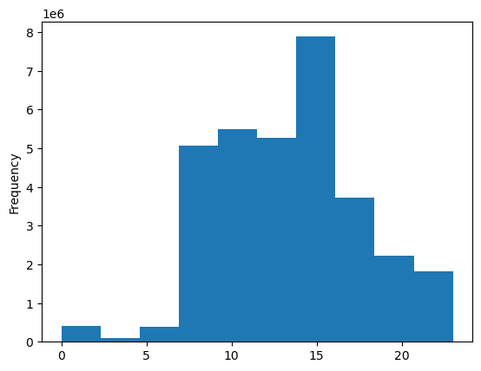

 | Observations: as the histogram shows, there are minimal orders placed in the early hours of the day, and starting around 7am they begin to rise, before peaking around 3pm, and slowly falling the rest of the day.

 | ### step 4 - The marketing team is curious about the distribution of orders among customers in terms of loyalty. Create a bar chart from the “loyalty_flag” column.



 | Observations: this bar chart shows that Reular Customers placed the most total orders (nearly 1.6M), followed by Loyal Customers (1.0M), and New Customers (600K)

 | ### step 5 - Check whether there’s a difference in expenditure (the “prices” column) depending on the hour of the day. (Hint: To check this, you need to use an accurate sample for your line chart!)
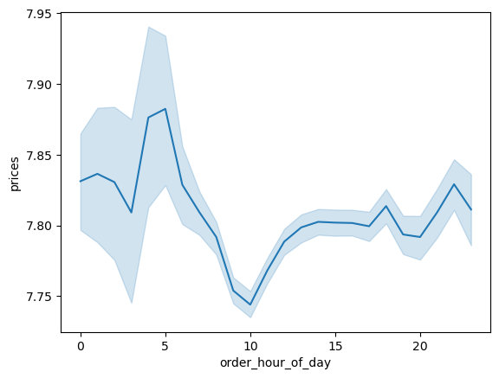

 | #### Observations: There is not a clear trend of price differences based on the hour of the day. While the chart above shows a surprising trend of elevated prices in the early hours of the day, the large confidence interval range during these hours suggest that there isn't an adequate number of orders to gauge prices. The data does show a pretty clear dip in prices for orders placed at 10am.

 | ### step 6 - Now that you have information about customers, you need to conduct some exploratory analysis of customer demographics to inform the targeted marketing campaigns. First, determine whether there’s a connection between age and family situation by creating a line chart exploring the connections between age and number of dependents.

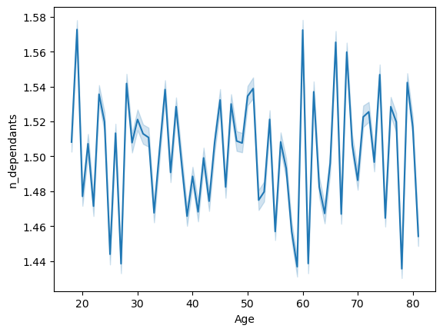

 | #### Observations: there is no clear trend between a customer's age and the number of dependents they have. On average, across all ages, customers have between 1.44 and 1.58 dependents. While the number of dependents oscillates between years, there is no clear trend that the older someone is, the more (or less) dependents they have.

 | ### step 7 - You’ll also need to explore whether there’s a connection between age and spending power (income). To visualize this relationship, create a scatterplot using the sns.scatterplot() function.



 | #### Observations: this scatterplot shows a pretty clear trend where people over the age of 40 have higher incomes. Not only do these individuals have incomes greater than 400,000 (as opposed to people under the age of 40 not having incomes of this level), but they also have a higher concentration of incomes between 200,000 and 300,000 as opposed to younger ages .

 | Exercise 5.10

 | ### Step 6 - Create an appropriate visualization to show the distribution of profiles.

 | Age Profiles
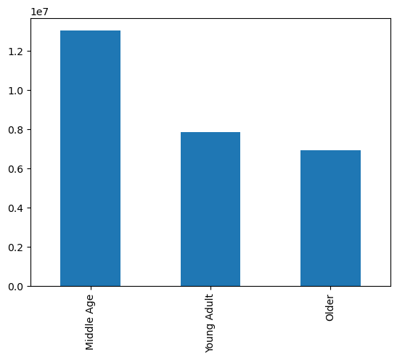

 | Income Profiles
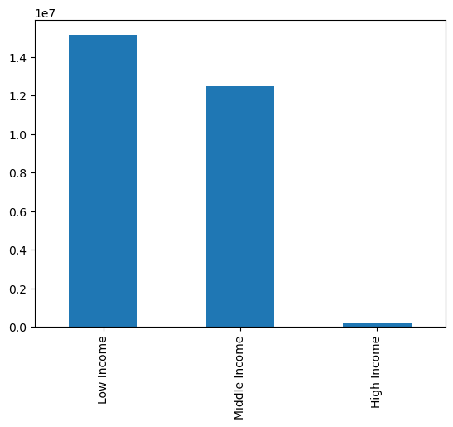

 | Dependants Profile
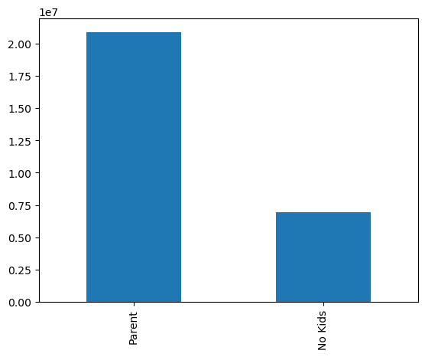

 | Profile of Purchases of Food & Beverages
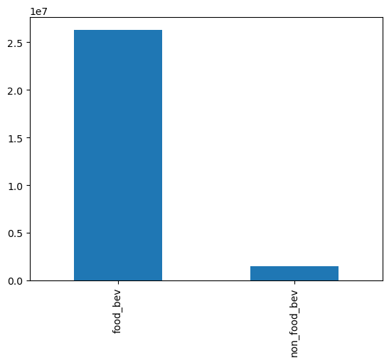

### Step 8 - Compare your customer profiles with regions and departments. Can you identify a link between them? Customers may demonstrate different behaviors across regions, which could make this information important.

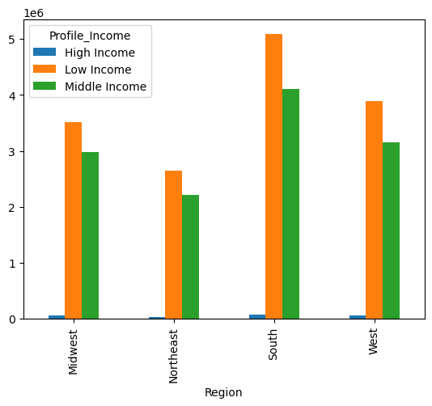

 | #### Observations: there is a slightly higher proportion of low income customers in the South region as compared to the Northeast and Midwest.

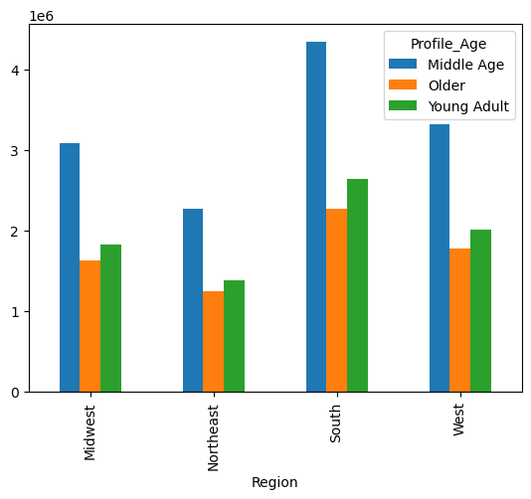

 | #### Observations: there is a similar distribution of customers' ages across regions; there is a slightly higher proportion of young adults in the South region as compared to the Northeast and Midwest.

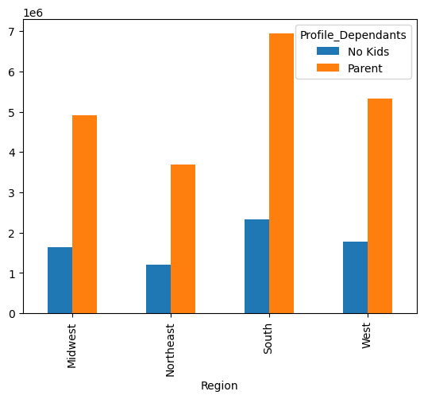

 | #### Observation: there is a similar distribution of family status (as defined as whether a customer has dependants or not) across regions

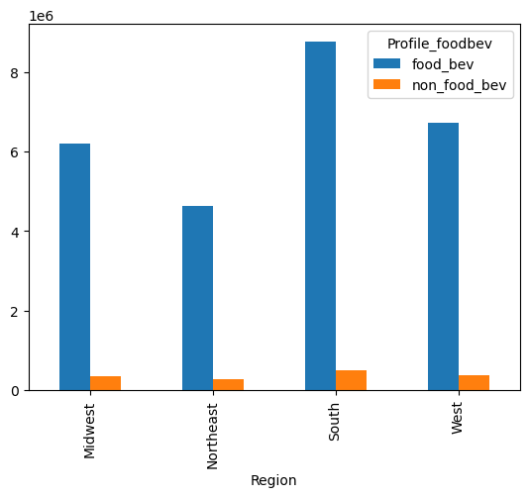

 | #### Observation: there is a similar distribution of purchases of food and beverage items versus non-food and beverage items across regions

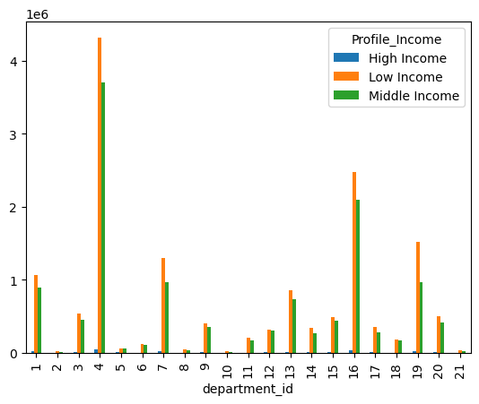

 | #### Observations: low income customers represent a higher proportion of purchases of snacks (dept 19), beverages (7) and produce (4); middle income customers purchase items for babies (18) and meat / seafood (12) at a similar magnitude as low income customers.

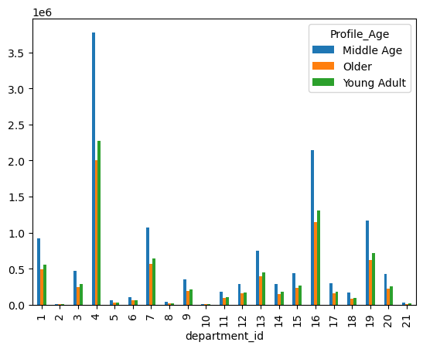

 | #### observations: purchasing trends are similar across departments for the various age groups of customers; older customers purchase disproportionately more deli (18), meat/seafood (12), personal care (11), dry goods/pasta (9) and international (6) goods than young customers (<35).

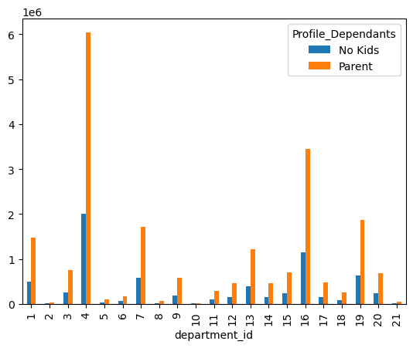

 | #### observations: parents purchase disproportionately more items for babies (18), breakfast (14), and meat/seafood (12) than those customers with no kids.

7. Recommendations
 |  | Title page

Recommendations

In this tab you should include any recommendations you would made to Instcart in terms of their marketing strategy based on the questions posed in the brief. Every key question has been covered in the Tasks of the Exercises - here you need to add an item - a visualisation or table/crosstable that is showing the answer in the data, acompanied by a comment from you. Please, list the questions below and add the answer underneath.

Question | Answer
The sales team needs to know what the busiest days of the week and hours of the day are (i.e., the days and times with the most orders) in order to schedule ads at times when there are fewer orders. | The busiest days of the week are Saturday and Sunday, and the least busy days are Tuesday and Wednesday. The busiest hours of the day 9am to 5pm, and the least busy are 11pm to 6pm.

They also want to know whether there are particular times of the day when people spend the most money, as this might inform the type of products they advertise at these times. | The bulk of purchase orders happen between 9am to 5pm, with a peak of 10am; however, the average purchase price is greatest in the early hours of the morning at 6am. Further analysis can be done to better refine a product marketing strategy that considers these factors.

Instacart has a lot of products with different price tags. Marketing and sales want to use simpler price range groupings to help direct their efforts. | Instacart's product offering is priced between $1 and $25. Through this analysis, I grouped the price into 3 buckets: less than $5, between $5 and $15, and greater than $15. Roughly two-thirds of products are betweren $5 and $15, about 30% of products were less than $5, and a small perecntage (around 1%) were greater than $15. Instacart should tailor its advertising campaigns for these various price ranges, as low-end products need to be marketed differently (both the message and the audience) than high range products.

Are there certain types of products that are more popular than others? The marketing and sales teams want to know which departments have the highest frequency of product orders. | Instacart's most popular product lines in terms of frequency of orders are: (i) Produce, (ii) Dairy and Eggs, and (iii) Snacks. Marketing efforts should consider this information as it summarizes customer preferences

The marketing and sales teams are particularly interested in the different types of customers in their system and how their ordering behaviors differ. For example:
What’s the distribution among users in regards to their brand loyalty (i.e., how often do they return to Instacart)? | Roughly one-third of Instacart's customers are considered loyal (defined as having placed more than 40 orders with Instacart). Roughly one-half of Instacart's cusomers are considered regular (having placed between 10 and 40 orders). The remainder are infrequent customers.

Are there differences in ordering habits based on a customer’s loyalty status? | There is not a significant difference in ordering habits based on a customer's loyalty status. Their purchases were consistent across regions, days of the week, hours of the day, and departments within Instacart

Are there differences in ordering habits based on a customer’s region? | The South region has the highest frequency of orders. There were no significant differences in ordering habits based on a customer's region.

Is there a connection between age and family status in terms of ordering habits? | There weren't signficant differences in ordering habits based on customers' age and family status. That said, older customers purchase slightly more deli (18), meat/seafood (12), personal care (11), dry goods/pasta (9) and international (6) goods than young customers (<35). Parents purchase slightly more items or babies (18), breakfast (14), and meat/seafood (12) than those customers with no kids.

What different classifications does the demographic information suggest? Age? Income? Certain types of goods? Family status? | The different classifications (in particular age and income) suggest that customers in the middle of the range (ie middle age customers, middle income customers) represent the majority of Instacart's customer base and order the majority of Instacart products. This is valuable infomration for the marketing team to have so they can better tailor advertisements to this group in the middle.

What differences can you find in ordering habits of different customer profiles? Consider the price of orders, the frequency of orders, the products customers are ordering, and anything else you can think of. | There were no significant differences found in ordering habits based on customer profiles. Differences in proportions of orders were only slight, and so no claims can be made now that a certain customer profile differed in its spending pattern in any meaningful way. I recommend further analyses are done (in particular statistical analyses) to assess customer differences.

